Summary
Total Revenue
2023A | 37,281
2024A | 43,978
2025F | 51,284
2026F | 59,706
2027F | 68,727
2028F | 78,503
2029F | 88,581
2030F | 99,350
EBITDA (Ex SBC)
2023A | 3,868
2024A | 5,306
2025F | 6,992
2026F | 8,953
2027F | 11,194
2028F | 13,764
2029F | 16,589
2030F | 19,765
Key Information |  |  | Forecasted Financials
 |  |  |  |  |  |  |  |  |  | Change on "Model" tab
Ticker: | $UBER
Sector: | Industrials |  |  |  |  |  |  |  |  | Mobile/Delivery Scenario Running: | Base
Last Price: | $76.35 |  |  |  |  |  |  |  |  | Freight Scenario Running | Base
Avg Volume (20-day): | 8.64M |  |  |  |  |  |  |  |  | Mobility Gross Margin Scenario | Base
Market Cap: | $159.49B |  |  |  |  |  |  |  |  | Delivery Gross Margin Scenario | Base
Enterprise Value: | $156.86B
P/E Ratio: | 16.5
EV/EBITDA: | 40.5
EV/Sales: | 3.6

Valuation Summary
Equity Value Per Share
$82.16 Estimated Share Price
Exit Multiple Method |  | Average Equity Value per Share |  |  | $82.16
Base | $83.37
 |  | Premium (Discount) |  |  | 7.6%
FCFF Method
Base | $80.96

Sensitivity Analysis
DCF Equity Valuation Range

$76.35 Current Price

 |  |  |  | Low | Diff. | High
DCF Value at 10.0x-14.0x Exit EBITDA Range @ 10.0% WACC |  |  |  | 73.25 | 20.23 | 93.48
DCF Value at 1.8%-3.2% Perpetuity @ 10.0% WACC |  |  |  | 75.51 | 12.03 | 87.54
52 Week Market High/Low |  |  |  | 54.84 | 32.16 | 87.00

Relative Performance
vs S&P 500 1yr
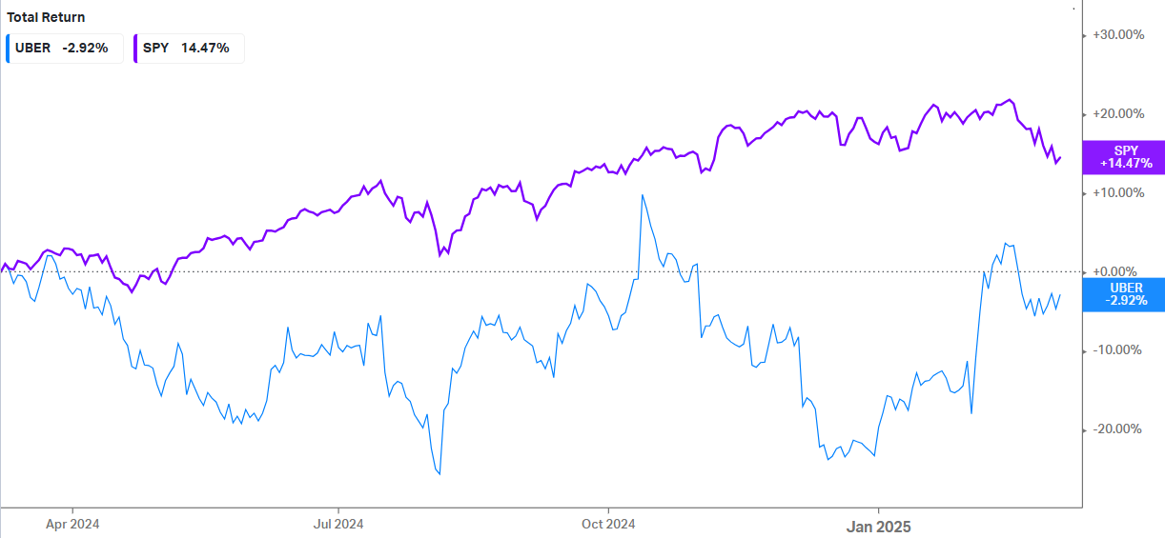

 |  |  |  |  | Football Field Chart
 |  |  |  |  |  | low | low2 | high | high2
 |  |  |  |  | 52-Week Range | $54.25 | $54.25 | $85.90 | $85.90
 |  |  |  |  | FCFF | #REF! | #REF! | #REF! | #REF!
 |  |  |  |  | Exit Multiple | #REF! | #REF! | #REF! | #REF!

